Overview parameters
 |  |  |  |  |  |  | GOLD_E_F_Modbus_260227

Operation level | 3x0592 | EA AHU filter pressure level |  | 3x0029 |  | EA Temperature |  | 3x0066
Communication operation level | 4x0793 | EA AHU filter pressure alarm limit. |  | 3x0030 |  | EA/Room temperature set point |  | 4x0135
Operation active | 1x0001 |  |  |  |  | SA min temp set point |  | 4x0136
Low speed operation active | 1x0003 |  |  |  |  | SA max temp set point |  | 4x0137
High speed operation active | 1x0004 |  | EA Duct pressure |  | 3x0010
Damper operation active | 1x0002 |  | EA low speed pressure set point |  | 4x0020
Triggered alarm #1 | 3x0604 |  | EA high speed pressure set point |  | 4x0022 | SA Duct pressure |  | 3x0008
A-alarm active | 1x0013 |  |  |  |  | SA low speed pressure set point |  | 4x0019
B-alarm active | 1x0014 |  |  |  |  | SA high speed pressure set point |  | 4x0021
Alarm reset | 0x0001

 |  |  |  |  |  | SA Temperature |  | 3x0064
EA Air flow | 3x0006 |  |  |  |  | SA temperature set point |  | 4x0132
EA Fan level | 3x0038 |  |  |  |  | ERS 1 diff |  | 4x0118
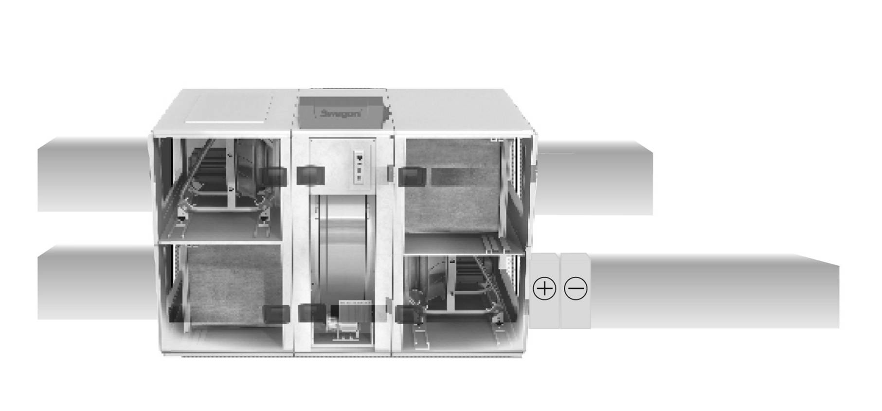
EA low speed air flow set point | 4x0004
EA high speed air flow set point | 4x0006

Outdoor temperature | 3x0073

SA AHU filter pressure level | 3x0027
SA AHU filter pressure alarm limit. | 3x0028

RX
Heat exchanger regulator level | 3x0091
RHX operation level | 3x0105
PX |  |  |  |  |  |  | Cool regulator level | 3x0101
PHX-2 Damper 2 output | 3x0123 |  |  |  |  |  | Cool output 1 | 1x0043
PHX-2 Bypass output | 3x0125 |  |  |  |  |  | Cool output 2 | 1x0044
PHX-2 Damper 1 output | 3x0121
CX |  | SA Air flow |  | 3x0004 | Reheat regulator level |  | 3x0094
CHX-2 Valve output | 3x0137 | SA Fan level |  | 3x0037 | Re-heat output |  | 1x0038
CHX-2 Pump output | 3x0139 | SA low speed air flow set point |  | 4x0003 | Re-heat anti frost temp/overheat input |  | 3x0153
CHX-1 pump output | 1x0027 | SA high speed air flow set point |  | 4x0005

